Sheet2
main

static block - ContextClosedEvent.class.getName

AnnotationConfigApplicationContext构造函数
参数 annotatedClass
this()
read = new AnnotatedBeanDefinitionReader()
scanner = new ClassPathBeanDefinitionScanner()

register(annotatedClasses);
this.reader.register(annotatedClasses);
RegisterBean(annotatedClasses);
这一步实际上时Configuration 注解的类
public void registerBean(Class<?> annotatedClass, String name, Class<? extends Annotation>... qualifiers)
String beanName = (name != null ? name : this.beanNameGenerator.generateBeanName(abd, this.registry));
beanname实际是myConifg
registerBeanDefinition myconfig
-- Register the given bean definition with the given bean factory.

refresh();

上锁

// Prepare this context for refreshing.
prepareRefresh(); |  | startupDate = System.currentTimeMillis(); |  |  |  |  | 在注册myconfig之前，这些在registry里

 |  | // Initialize any placeholder property sources in the context environment
 |  | initPropertySources();

 |  | // Validate that all properties marked as required are resolvable
 |  | // see ConfigurablePropertyResolver#setRequiredProperties
 |  | getEnvironment().validateRequiredProperties();
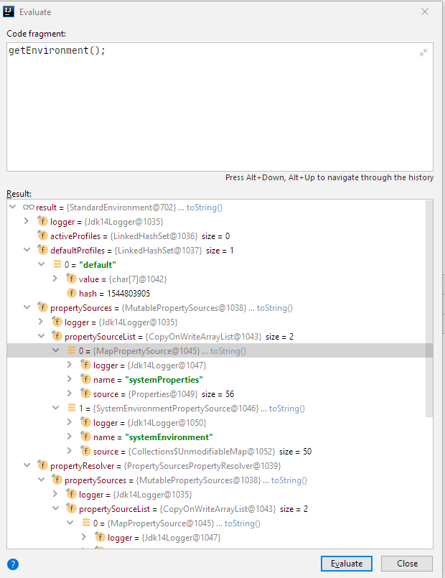

 |  |  |  |  |  |  | 之后

 |  |  |  |  |  |  | 之后register alias（本例没有alias）
 |  |  |  |  |  |  | 后面是Refresh，大头

 |  | @Override
 |  | public void validateRequiredProperties() {
 |  | MissingRequiredPropertiesException ex = new MissingRequiredPropertiesException();
 |  | for (String key : this.requiredProperties) {
 |  | if (this.getProperty(key) == null) {
 |  | ex.addMissingRequiredProperty(key);
 |  | }
 |  | }
 |  | if (!ex.getMissingRequiredProperties().isEmpty()) {
 |  | throw ex;
 |  | }
 |  | }

 |  | 这里都是空，没有任何操作也没有抛出异常

 |  | // Allow for the collection of early ApplicationEvents,
 |  | // to be published once the multicaster is available...
 |  | this.earlyApplicationEvents = new LinkedHashSet<ApplicationEvent>();

// Tell the subclass to refresh the internal bean factory.
ConfigurableListableBeanFactory beanFactory = obtainFreshBeanFactory();

 |  | refreshBeanFactory();
 |  | ConfigurableListableBeanFactory beanFactory = getBeanFactory();
 |  | if (logger.isDebugEnabled()) {
 |  | logger.debug("Bean factory for " + getDisplayName() + ": " + beanFactory);
 |  | }
 |  | return beanFactory;
 |  |  |  | @Override
 |  |  |  | protected final void refreshBeanFactory() throws IllegalStateException {
 |  |  |  | if (!this.refreshed.compareAndSet(false, true)) {
 |  |  |  | throw new IllegalStateException(
 |  |  |  | "GenericApplicationContext does not support multiple refresh attempts: just call 'refresh' once");
 |  |  |  | }
 |  |  |  | this.beanFactory.setSerializationId(getId());
 |  |  |  | }

 |  |  |  | 这个getId
 |  |  |  | org.springframework.context.annotation.AnnotationConfigApplicationContext@7e0ea639

 |  |  |  | /**
 |  |  |  | * Return the single internal BeanFactory held by this context
 |  |  |  | * (as ConfigurableListableBeanFactory).
 |  |  |  | */
 |  |  |  | @Override
 |  |  |  | public final ConfigurableListableBeanFactory getBeanFactory() {
 |  |  |  | return this.beanFactory;
 |  |  |  | }

 |  |  |  | this.beanFactory
 |  |  |  | org.springframework.context.annotation.AnnotationConfigApplicationContext@7e0ea639

 | // Prepare the bean factory for use in this context.
 | prepareBeanFactory(beanFactory);

 | 次方法内容如下
/**
* Configure the factory's standard context characteristics,
* such as the context's ClassLoader and post-processors.
* @param beanFactory the BeanFactory to configure
*/
protected void prepareBeanFactory(ConfigurableListableBeanFactory beanFactory) {
// Tell the internal bean factory to use the context's class loader etc.
beanFactory.setBeanClassLoader(getClassLoader()); |  |  |  |  |  | sun.misc.Launcher$AppClassLoader@18b4aac2
beanFactory.setBeanExpressionResolver(new StandardBeanExpressionResolver(beanFactory.getBeanClassLoader()));
beanFactory.addPropertyEditorRegistrar(new ResourceEditorRegistrar(this, getEnvironment()));

// Configure the bean factory with context callbacks.
beanFactory.addBeanPostProcessor(new ApplicationContextAwareProcessor(this)); |  |  |  |  | org.springframework.context.annotation.AnnotationConfigApplicationContext@7e0ea639
beanFactory.ignoreDependencyInterface(EnvironmentAware.class);
beanFactory.ignoreDependencyInterface(EmbeddedValueResolverAware.class);
beanFactory.ignoreDependencyInterface(ResourceLoaderAware.class);
beanFactory.ignoreDependencyInterface(ApplicationEventPublisherAware.class);
beanFactory.ignoreDependencyInterface(MessageSourceAware.class);
beanFactory.ignoreDependencyInterface(ApplicationContextAware.class);

// BeanFactory interface not registered as resolvable type in a plain factory.
// MessageSource registered (and found for autowiring) as a bean.
beanFactory.registerResolvableDependency(BeanFactory.class, beanFactory);
beanFactory.registerResolvableDependency(ResourceLoader.class, this);
beanFactory.registerResolvableDependency(ApplicationEventPublisher.class, this);
beanFactory.registerResolvableDependency(ApplicationContext.class, this);

// Register early post-processor for detecting inner beans as ApplicationListeners.
beanFactory.addBeanPostProcessor(new ApplicationListenerDetector(this));

// Detect a LoadTimeWeaver and prepare for weaving, if found.
if (beanFactory.containsBean(LOAD_TIME_WEAVER_BEAN_NAME)) {
beanFactory.addBeanPostProcessor(new LoadTimeWeaverAwareProcessor(beanFactory));
// Set a temporary ClassLoader for type matching.
beanFactory.setTempClassLoader(new ContextTypeMatchClassLoader(beanFactory.getBeanClassLoader()));
}

// Register default environment beans.
if (!beanFactory.containsLocalBean(ENVIRONMENT_BEAN_NAME)) {
beanFactory.registerSingleton(ENVIRONMENT_BEAN_NAME, getEnvironment());
}
if (!beanFactory.containsLocalBean(SYSTEM_PROPERTIES_BEAN_NAME)) {
beanFactory.registerSingleton(SYSTEM_PROPERTIES_BEAN_NAME, getEnvironment().getSystemProperties());
}
if (!beanFactory.containsLocalBean(SYSTEM_ENVIRONMENT_BEAN_NAME)) {
beanFactory.registerSingleton(SYSTEM_ENVIRONMENT_BEAN_NAME, getEnvironment().getSystemEnvironment());
}
}

 | 下来
 | // Allows post-processing of the bean factory in context subclasses.
 | postProcessBeanFactory(beanFactory);

 | // Invoke factory processors registered as beans in the context.
 | invokeBeanFactoryPostProcessors(beanFactory);

 |  |  | invokeBeanDefinitionRegistryPostProcessors(currentRegistryProcessors, registry);

